Sheet1
리포트 날짜: | 2023-01-16

Baseline: Average 22 to 26 degrees celcius
Floor | DEK Name | Equipment Name | No. of CRACs (Running) | No. of CRACs (N) | Cooling Cap (Kw) | Min Avg Temperature | Maximum Avg Temperature | Average Temperature
7F | 7-CRACRm-CRAC-01 | Main CRAC 7F-1 | 1 | 1 | 105.48 | 25.50 ℃ | 26.60 ℃ | 25.95 ℃ | 26.05 ℃
 | 7-CRACRm-CRAC-02 | Main CRAC 7F-2 | 1 | 1 | 105.48 | 26.00 ℃ | 27.10 ℃ | 26.53 ℃ | 26.55 ℃
 | 7-CRACRm-CRAC-03 | Main CRAC 7F-3 | 1 | 1 | 105.48 | 26.00 ℃ | 27.10 ℃ | 26.61 ℃ | 26.55 ℃
 | 7-CRACRm-CRAC-04 | Main CRAC 7F-4 | 1 | 1 | 105.48 | 25.90 ℃ | 27.00 ℃ | 26.55 ℃ | 26.45 ℃
6F | 6-CRACRm-CRAC-01 | Main CRAC 6F-1 | 1 | 1 | 105.48 | 19.50 ℃ | 28.00 ℃ | 26.56 ℃ | 23.75 ℃
 | 6-CRACRm-CRAC-02 | Main CRAC 6F-2 | 1 | 1 | 105.48 | 24.30 ℃ | 27.70 ℃ | 26.47 ℃ | 26.00 ℃
 | 6-CRACRm-CRAC-03 | Main CRAC 6F-3 | 1 | 1 | 105.48 | 17.00 ℃ | 27.00 ℃ | 21.19 ℃ | 22.00 ℃
 | 6-CRACRm-CRAC-04 | Main CRAC 6F-4 | 1 | 1 | 105.48 | 24.90 ℃ | 27.50 ℃ | 26.19 ℃ | 26.20 ℃
 | 6-DaHall 1-CRAC-01 | Aux. CRAC 6F-1 | 1 | 1 | 70.32 | 13.90 ℃ | 26.30 ℃ | 24.47 ℃ | 20.10 ℃
 | 6-DaHall 1-CRAC-02 | Aux. CRAC 6F-2 | 1 | 1 | 70.32 | 14.10 ℃ | 26.10 ℃ | 24.51 ℃ | 20.10 ℃
 | 6-DaHall 1-CRAC-03 | Aux. CRAC 6F-3 | 1 | 1 | 70.32 | 14.80 ℃ | 26.00 ℃ | 24.63 ℃ | 20.40 ℃
5F | 5-CRACRm-CRAC-01 | Main CRAC 5F-1 | 1 | 1 | 105.48 | 24.00 ℃ | 25.50 ℃ | 24.87 ℃ | 24.75 ℃
 | 5-CRACRm-CRAC-02 | Main CRAC 5F-2 | 1 | 1 | 105.48 | 24.40 ℃ | 25.90 ℃ | 25.22 ℃ | 25.15 ℃
 | 5-CRACRm-CRAC-03 | Main CRAC 5F-3 | 1 | 1 | 105.48 | 24.50 ℃ | 26.40 ℃ | 25.25 ℃ | 25.45 ℃
 | 5-CRACRm-CRAC-04 | Main CRAC 5F-4 | 1 | 1 | 105.48 | 24.10 ℃ | 26.00 ℃ | 24.84 ℃
 | 5-DaHall 1-CRAC-13 | CF CRAC-#01 | 0 | 1 | 32.55 | 25.30 ℃ | 33.50 ℃ | 32.60 ℃
 | 5-DaHall 1-CRAC-14 | CF CRAC-#02 | 0 | 1 | 32.55 | 23.40 ℃ | 27.20 ℃ | 26.02 ℃
 | 5-DaHall 1-CRAC-01 | LG CRAC-#01 | 0 | 1 | 32.55 | 21.80 ℃ | 32.70 ℃ | 31.10 ℃
 | 5-DaHall 1-CRAC-02 | LG CRAC-#02 | 1 | 1 | 32.55 | 22.50 ℃ | 27.80 ℃ | 26.14 ℃
 | 5-DaHall 1-CRAC-03 | LG CRAC-#03 | 0 | 1 | 32.55 | 17.80 ℃ | 29.50 ℃ | 27.94 ℃
 | 5-DaHall 1-CRAC-04 | LG CRAC-#04 | 1 | 1 | 32.55 | 21.40 ℃ | 26.90 ℃ | 24.70 ℃
 | 5-DaHall 1-CRAC-05 | LG CRAC-#05 | 0 | 1 | 32.55 | 20.30 ℃ | 24.40 ℃ | 21.56 ℃
 | 5-DaHall 1-CRAC-06 | LG CRAC-#06 | 1 | 1 | 32.55 | 21.20 ℃ | 24.20 ℃ | 23.43 ℃
 | 5-DaHall 1-CRAC-07 | LG CRAC-#07 | 0 | 1 | 32.55
 | 5-DaHall 1-CRAC-08 | LG CRAC-#08 | 0 | 1 | 32.55 | 18.40 ℃ | 99.50 ℃ | 22.38 ℃
 | 5-DaHall 1-CRAC-09 | LG CRAC-#09 | 0 | 1 | 32.55 | 18.40 ℃ | 25.10 ℃ | 23.98 ℃
 | 5-DaHall 1-CRAC-10 | LG CRAC-#10 | 0 | 1 | 32.55 | 17.70 ℃ | 29.20 ℃ | 21.61 ℃
 | 5-DaHall 1-CRAC-11 | LG CRAC-#11 | 0 | 1 | 32.55 | 21.20 ℃ | 25.60 ℃ | 22.48 ℃
 | 5-DaHall 1-CRAC-12 | LG CRAC-#12 | 0 | 1 | 32.55 | 19.00 ℃ | 23.80 ℃ | 21.88 ℃
 | 5-DaHall 1-CRAC-15 | Aux. CRAC 5F-1 | 0 | 1 | 24.4 | 27.50 ℃ | 30.00 ℃ | 28.67 ℃
 | 5-DaHall 1-CRAC-16 | Aux. CRAC 5F-2 | 0 | 1 | 24.4 | 26.00 ℃ | 28.50 ℃ | 27.10 ℃
4F | 4-CRACRm-CRAC-01 | Main CRAC 4F-1 | 1 | 1 | 105.48 | 24.80 ℃ | 26.00 ℃ | 25.57 ℃
 | 4-CRACRm-CRAC-02 | Main CRAC 4F-2 | 1 | 1 | 105.48 | 24.60 ℃ | 25.80 ℃ | 25.34 ℃
 | 4-CRACRm-CRAC-03 | Main CRAC 4F-3 | 1 | 1 | 105.48 | 23.90 ℃ | 25.80 ℃ | 24.95 ℃
 | 4-CRACRm-CRAC-04 | Main CRAC 4F-4 | 1 | 1 | 105.48 | 24.00 ℃ | 25.70 ℃ | 24.96 ℃
 | 4-DaHall 1-CRAC-05 | Aux.E_CRAC 4F-1 | 1 | 1 | 65 | 26.10 ℃ | 28.30 ℃ | 27.24 ℃
 | 4-DaHall 1-CRAC-06 | Aux.E_CRAC 4F-2 | 1 | 1 | 65 | 24.00 ℃ | 26.00 ℃ | 24.52 ℃
 | 4-DaHall 1-CRAC-02 | Aux. CRAC 4F-1 | 1 | 1 | 16.3 | 23.50 ℃ | 26.00 ℃ | 24.53 ℃
 | 4-DaHall 1-CRAC-03 | Aux. CRAC 4F-2 | 1 | 1 | 16.3 | 21.00 ℃ | 24.50 ℃ | 22.92 ℃
 | 4-DaHall 1-CRAC-04 | Aux. CRAC 4F-3 | 1 | 1 | 16.3 | 18.00 ℃ | 29.50 ℃ | 26.95 ℃
 | 4-DaHall 1-CRAC-01 | Aux. CRAC 4F-4 | 1 | 1 | 35 | 24.00 ℃ | 26.00 ℃ | 24.86 ℃ | Not connected with FMS
 |  |  |  |  |  | 22.12 ℃ | 28.79 ℃ | 25.33 ℃
 |  |  |  |  |  |  |  | 총 평균온도

Baseline: Average 30 to 70 % RH
Floor | DEK Name | Equipment Name | No. of CRACs (Running) | No. of CRACs (N) | Cooling Cap (Kw) | Min Avg Humidity | Maximum Avg Humidity | Average Humidity
7F | 7-CRACRm-CRAC-01 | Main CRAC 7F-1 | 1 | 1 | 105.48 | 24.10 % | 46.60 % | 36.88 % | 35.35 % | 7-1 Collecting integrated data
 | 7-CRACRm-CRAC-02 | Main CRAC 7F-2 | 1 | 1 | 105.48 | 24.50 % | 46.80 % | 37.00 % | 35.65 % | 7-2 Collecting integrated data
 | 7-CRACRm-CRAC-03 | Main CRAC 7F-3 | 1 | 1 | 105.48 | 25.70 % | 45.60 % | 36.98 % | 35.65 % | 7-3 Collecting integrated data
 | 7-CRACRm-CRAC-04 | Main CRAC 7F-4 | 1 | 1 | 105.48 | 23.20 % | 44.20 % | 35.16 % | 33.70 % | 7-4 Collecting integrated data
6F | 6-CRACRm-CRAC-01 | Main CRAC 6F-1 | 1 | 1 | 105.48 | 22.80 % | 73.80 % | 37.25 % | 48.30 % | 6-1,6-2 Collecting integrated data
 | 6-CRACRm-CRAC-02 | Main CRAC 6F-2 | 1 | 1 | 105.48 | 22.80 % | 53.20 % | 37.18 % | 38.00 % | 6-1,6-2 Collecting integrated data
 | 6-CRACRm-CRAC-03 | Main CRAC 6F-3 | 1 | 1 | 105.48 | 37.30 % | 66.00 % | 49.84 % | 51.65 % | 6-3,6-4 Collecting integrated data
 | 6-CRACRm-CRAC-04 | Main CRAC 6F-4 | 1 | 1 | 105.48 | 24.00 % | 47.50 % | 40.07 % | 35.75 % | 6-3,6-4 Collecting integrated data
5F | 5-CRACRm-CRAC-01 | Main CRAC 5F-1 | 1 | 1 | 105.48 | 22.50 % | 45.80 % | 38.20 % | 34.15 % | 5-1 Collecting integrated data
 | 5-CRACRm-CRAC-02 | Main CRAC 5F-2 | 1 | 1 | 105.48 | 21.90 % | 44.30 % | 37.07 % | 33.10 % | 5-2 Collecting integrated data
 | 5-CRACRm-CRAC-03 | Main CRAC 5F-3 | 1 | 1 | 105.48 | 20.90 % | 39.50 % | 34.96 % | 30.20 % | 5-3 Collecting integrated data
 | 5-CRACRm-CRAC-04 | Main CRAC 5F-4 | 1 | 1 | 105.48 | 21.50 % | 40.60 % | 35.88 % |  | 5-4 Collecting integrated data
 | 5-DaHall 1-CRAC-13 | CF CRAC-#01 | 0 | 1 | 32.55 | 25.80 % | 31.60 % | 26.35 % | Stand-by CRAC
 | 5-DaHall 1-CRAC-14 | CF CRAC-#02 | 0 | 1 | 32.55 | 27.80 % | 30.60 % | 28.51 % | Stand-by CRAC
 | 5-DaHall 1-CRAC-01 | LG CRAC-#01 | 0 | 1 | 32.55 | 24.40 % | 31.60 % | 25.31 % | Stand-by CRAC
 | 5-DaHall 1-CRAC-02 | LG CRAC-#02 | 1 | 1 | 32.55 | 29.00 % | 32.80 % | 30.69 %
 | 5-DaHall 1-CRAC-03 | LG CRAC-#03 | 0 | 1 | 32.55 | 24.40 % | 32.50 % | 25.45 % | Stand-by CRAC
 | 5-DaHall 1-CRAC-04 | LG CRAC-#04 | 1 | 1 | 32.55 | 28.60 % | 32.80 % | 31.68 %
 | 5-DaHall 1-CRAC-05 | LG CRAC-#05 | 0 | 1 | 32.55 | 30.10 % | 32.50 % | 31.84 % | Stand-by CRAC
 | 5-DaHall 1-CRAC-06 | LG CRAC-#06 | 1 | 1 | 32.55 | 30.70 % | 32.60 % | 31.34 %
 | 5-DaHall 1-CRAC-07 | LG CRAC-#07 | 0 | 1 | 32.55 |  |  |  | Stand-by CRAC
 | 5-DaHall 1-CRAC-08 | LG CRAC-#08 | 0 | 1 | 32.55 | 28.40 % | 29.90 % | 29.63 % | Stand-by CRAC
 | 5-DaHall 1-CRAC-09 | LG CRAC-#09 | 0 | 1 | 32.55 | 26.30 % | 30.60 % | 26.94 % | Stand-by CRAC
 | 5-DaHall 1-CRAC-10 | LG CRAC-#10 | 0 | 1 | 32.55 | 25.60 % | 34.00 % | 30.63 % | Stand-by CRAC
 | 5-DaHall 1-CRAC-11 | LG CRAC-#11 | 0 | 1 | 32.55 | 27.70 % | 30.40 % | 29.38 % | Stand-by CRAC
 | 5-DaHall 1-CRAC-12 | LG CRAC-#12 | 0 | 1 | 32.55 | 27.00 % | 30.20 % | 28.32 % | Stand-by CRAC
 | 5-DaHall 1-CRAC-15 | Aux. CRAC 5F-1 | 0 | 1 | 24.4 | 26.00 % | 27.50 % | 26.92 % | Stand-by CRAC
 | 5-DaHall 1-CRAC-16 | Aux. CRAC 5F-2 | 0 | 1 | 24.4 | 25.50 % | 27.50 % | 26.56 % | Stand-by CRAC
4F | 4-CRACRm-CRAC-01 | Main CRAC 4F-1 | 1 | 1 | 105.48 | 25.70 % | 39.70 % | 35.19 % |  | 4-1 Collecting integrated data
 | 4-CRACRm-CRAC-02 | Main CRAC 4F-2 | 1 | 1 | 105.48 | 28.70 % | 42.60 % | 38.27 % |  | 4-2 Collecting integrated data
 | 4-CRACRm-CRAC-03 | Main CRAC 4F-3 | 1 | 1 | 105.48 | 27.40 % | 45.80 % | 40.45 % |  | 4-3 Collecting integrated data
 | 4-CRACRm-CRAC-04 | Main CRAC 4F-4 | 1 | 1 | 105.48 | 27.00 % | 45.30 % | 40.09 % |  | 4-4 Collecting integrated data
 | 4-DaHall 1-CRAC-05 | Aux.E_CRAC 4F-1 | 1 | 1 | 65 | 30.60 % | 40.60 % | 37.47 %
 | 4-DaHall 1-CRAC-06 | Aux.E_CRAC 4F-2 | 1 | 1 | 65 | 29.00 % | 30.00 % | 29.32 %
 | 4-DaHall 1-CRAC-02 | Aux. CRAC 4F-1 | 1 | 1 | 16.3 | 30.50 % | 34.50 % | 31.69 %
 | 4-DaHall 1-CRAC-03 | Aux. CRAC 4F-2 | 1 | 1 | 16.3 | 31.00 % | 40.50 % | 34.62 %
 | 4-DaHall 1-CRAC-04 | Aux. CRAC 4F-3 | 1 | 1 | 16.3 | 28.00 % | 45.00 % | 30.13 %
 | 4-DaHall 1-CRAC-01 | Aux. CRAC 4F-4 | 1 | 1 | 35 | 31.50 % | 50.10 % | 44.62 % | Not connected with FMS
6F | 6-DaHall 1-CRAC-01 | Aux. CRAC 6F-1 | 1 | 1 | 70.32 | 25.20 % | 56.10 % | 38.45 %
 | 6-DaHall 1-CRAC-02 | Aux. CRAC 6F-2 | 1 | 1 | 70.32 | 25.00 % | 56.20 % | 37.52 %
 | 6-DaHall 1-CRAC-03 | Aux. CRAC 6F-3 | 1 | 1 | 70.32 | 24.90 % | 55.10 % | 37.87 %
 |  |  |  |  |  | 26.58 % | 41.06 % | 34.04 %
 |  | Note: To ensure all temperature sensors are at the cold aisle |  |  | (모든 온도센서가 콜드아일에 있는지 확인합니다) |  |  | 총 평균습도
 |  | Hot standby according to current load +20% |  |  | (현재 부하에 따른 핫아일 스탠바이 20%)

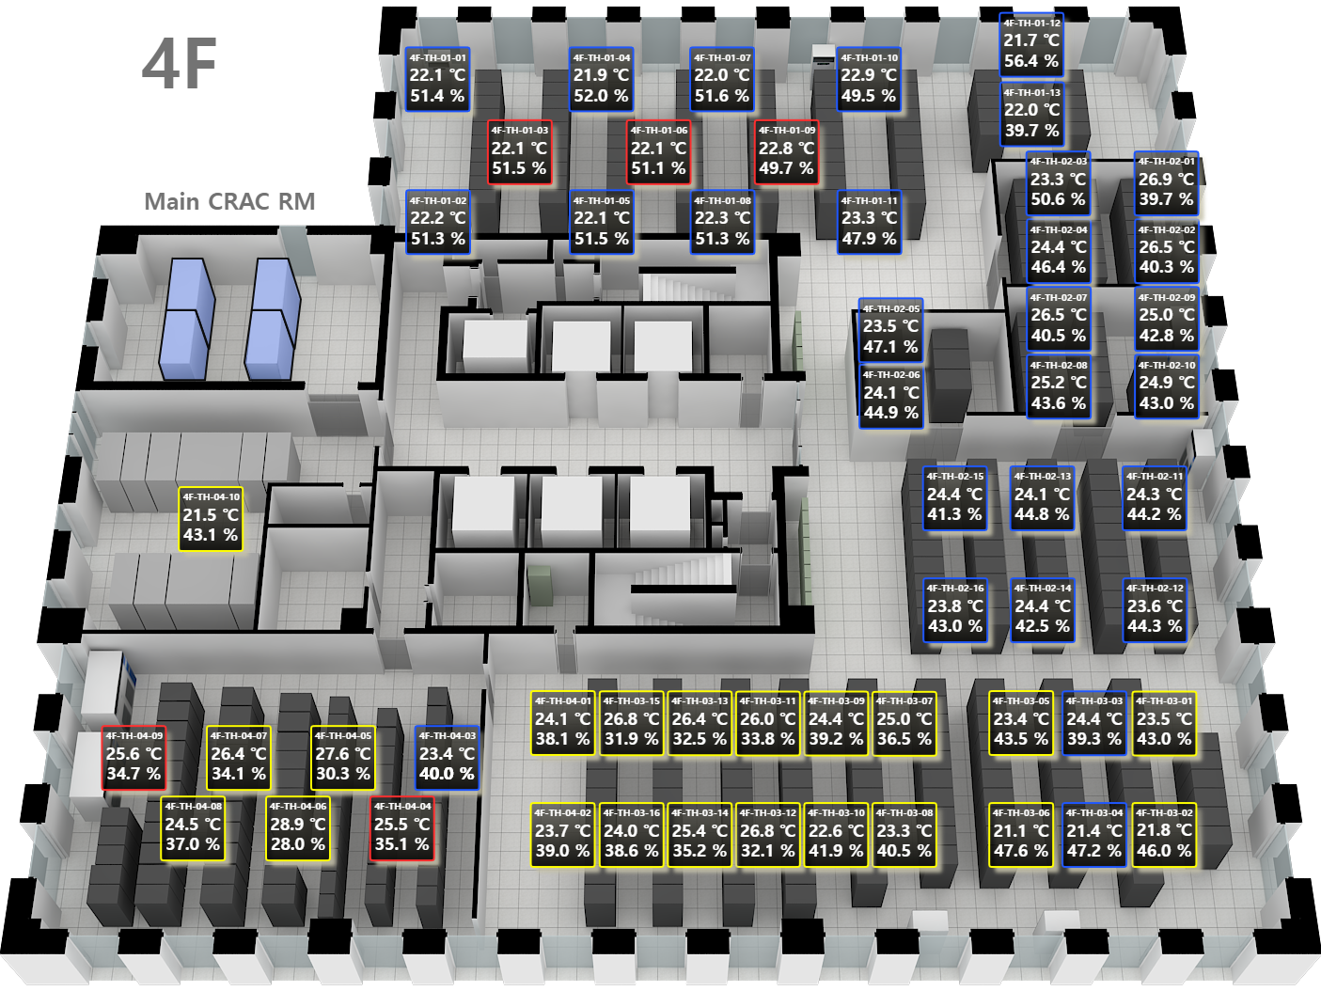
 | Device Name | 4/F |  | 5/F | 6/F |  | 7/F
 |  | Average Temp. | Ave Hum. | Average Temp. | Average Temp. | Ave Hum. | Average Temp. | Ave Hum.
 | TH-01-01
 | TH-01-02
 | TH-01-03
 | TH-01-04
 | TH-01-05
 | TH-01-06
 | TH-01-07
 | TH-01-08
 | TH-01-09
 | TH-01-10
 | TH-01-11
 | TH-01-12
 | TH-01-13
 | TH-01-14
 | TH-01-15
 | TH-01-16
 | TH-02-01
 | TH-02-02
 | TH-02-03
 | TH-02-04
 | TH-02-05
 | TH-02-06
 | TH-02-07
 | TH-02-08
 | TH-02-09
 | TH-02-10
 | TH-02-11
 | TH-02-12
 | TH-02-13
 | TH-02-14
 | TH-02-15
 | TH-02-16
 | TH-03-01
 | TH-03-02
 | TH-03-03
 | TH-03-04
 | TH-03-05
 | TH-03-06
 | TH-03-07
 | TH-03-08
 | TH-03-09
 | TH-03-10
 | TH-03-11
 | TH-03-12
 | TH-03-13
 | TH-03-14
 | TH-03-15
 | TH-03-16
 | TH-04-01
 | TH-04-02
 | TH-04-03
 | TH-04-04
 | TH-04-05
 | TH-04-06
 | TH-04-07
 | TH-04-08
 | TH-04-09
 | TH-04-10
 | TH-04-11
 | TH-04-12
 | TH-04-13
 | TH-05-01
 | TH-05-02
 | TH-05-03
 | TH-05-04
 | TH-05-05
 | TH-05-06
 | TH-05-07
 | TH-05-08
 | TH-05-09
 | TH-05-10
 | TH-05-11
 | TH-05-12

